GCP Best Practices - IAM
GCP Foundation - Groups and Roles

Group | Description | Node | GCP Predefined Roles | GCP Predefined roles description

gcp-organization-admins@ | Organization admins are responsible for organizing the structure of the resources used by the organization. | Org | Resource Manager > Organization Administrator Resource Manager > Folder Admin Resource Manager > Project Creator Billing > Billing Account User Roles > Organization Role Administrator Organization Policy > Organization Policy Administrator Security Center > Security Center Admin Support > Support Account Administrator | Access to administer all resources belonging to the organization. Provides all available permissions for working with folders. Provides access to create new projects. Once a user creates a project, they're automatically granted the owner role for that project. Provides access to associate projects with billing accounts. Provides access to administer all custom roles in the organization and the projects below it. Provides access to define what restrictions an organization wants to place on the configuration of cloud resources by setting Organization Policies. Admin(super user) access to security center. Allows management of a support account without giving access to support cases.
gcp-billing-admins@ | Billing admins are responsible for setting up billing accounts and monitoring their usage. | Org | Billing > Billing Account Administrator Billing > Billing Account Creator Resource Manager > Organization Viewer | Provides access to see and manage all aspects of billing accounts. Provides access to create billing accounts. Provides access to view an organization.
gcp-network-admins@ | Network admins are responsible for creating networks, subnets, firewall rules, and network devices such as Cloud Router, Cloud VPN, and cloud load balancers. | Org | Compute Engine > Compute Network Admin Compute Engine > Compute Shared VPC Admin Compute Engine > Compute Security Admin Resource Manager > Folder Viewer | This grants permissions to create, modify, and delete networking resources, except for firewall rules and SSL certificates. This grants permissions to administer Shared VPC host projects. This grants permissions to create, modify, and delete firewall rules and SSL certificates. This grants permissions to view folders.
 |  | Projects :- Prod & Non-prod VPC Host Projects | Project > Owner | This grants full permissions to all resources in the selected projects.
gcp-security-admins@ | Security admins are responsible for establishing and managing security policies for the entire organization, including access management and organization constraint policies. | Org | Organization Policy > Organization Policy Admin Organization Policy > Organization Policy Viewer IAM > Security Reviewer Roles > Organization Role Viewer Security Center > Security Center Admin Resource Manager > Folder IAM Admin Logging > Private Logs Viewer Logging > Logs Configuration Writer Kubernetes Engine > Kubernetes Engine Viewer Compute Engine > Compute Viewer BigQuery > BigQuery Data Viewer | This grants permissions to set organization-level IAM policies. This grants permissions to view the IAM policies that apply to the organization. This grants permissions to view all resources for the organization, and to view the IAM policies that apply to them. This grants permissions to view all custom IAM roles in the organization, and to view the projects that they apply to. This grants administrator access to the security command center. This grants permissions to set folder-level IAM policies. This grants read-only access to Cloud Logging features, including the ability to read private logs. This grants permissions to create logs-based metrics and export sinks. This grants read-only access to Google Kubernetes Engine resources. This grants read-only access to Compute Engine resources. This grants permissions for BigQuery datasets.
gcp-devops@ | DevOps practitioners create or manage end-to-end pipelines that support continuous integration and delivery, monitoring, and system provisioning. | Org | Resource Manager > Folder Viewer | This grants permissions to view folders.
 |  | Folder :- Prod | Logging > Logging Admin Error Reporting > Error Reporting Admin Service Management > Quota Administrator Monitoring > Monitoring Admin Compute Engine > Compute Admin Kubernetes Engine > Kubernetes Engine Admin | This grants full permissions to Cloud Logging. This grants full permissions to error reporting data. This grants access to administer service quotas. This grants full permissions to monitoring data. This grants full permissions to Compute Engine resources. This grants full permissions to Google Kubernetes Engine container clusters.
 |  | Projects :- Logging & Monitoring (in shared services) | Project > Owner | This grants full permissions to all resources in the selected projects.
gcp-developers@ | Developers are responsible for designing, coding, and testing applications. | Folders :- Non Prod Folders (Dev, Test, Engg, Anonymized Data) | Compute Engine > Compute Admin Kubernetes Engine > Kubernetes Engine Admin | This grants full permissions to Compute Engine resources. This grants full permissions to Google Kubernetes Engine container clusters.
gcp-support@ | To access an organization's support account (and cases). | Org | Resource Manager > Organization Viewer

Data Pipeline and Warehouse (Reference Architecture) - Groups and Roles

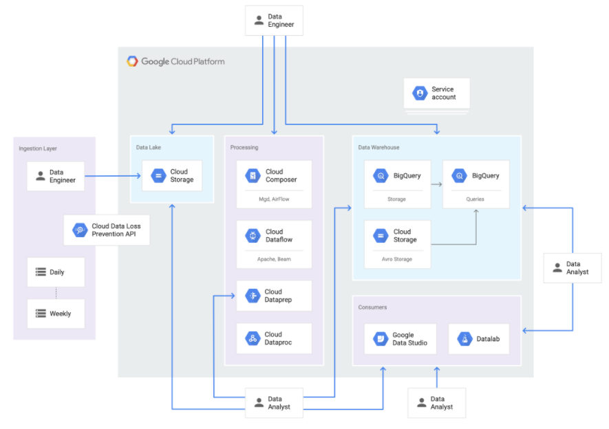

Group | Description | Node | GCP Predefined Roles | GCP Predefined roles description
Ingestion
gcp-data-uploader@ | A service account or a person who writes data to the Cloud Storage data lake. A service account running automated uploads. People might also perform ad hoc uploads. | Bucket :- | storage.objectCreator | Allows the uploader application to create objects (but not view, delete, or overwrite objects).
Data Processing
gcp-data-engineer@ | Developing pipelines for moving data to Cloud Storage and BigQuery, creating tables in BigQuery from Cloud Storage, and making pipelines operational. | Project :- | roles/composer.admin | Grants a data engineer full control of Cloud Composer resources. (This role does not give direct access to the data in the buckets.)
sa-data-processing@ | Security admins are responsible for establishing and managing security policies for the entire organization, including access management and organization constraint policies. | Project :- | roles/composer.worker | Grants a service account the permissions required to run a Cloud Composer environment on the VM it is associated with.
sa-dataflow-worker@ | Service account for executing Dataflow work units. | Org | dataflow.worker | Grants a service account permission to execute work units for a Dataflow pipeline.
sa-dataprep-serviceagent@ | Dataprep service account | Project :- | dataprep.ServiceAgent | Grants the Dataprep service account permission to access and modify datasets and storage, and run and manage Dataprep jobs within a project.
gcp-data-analyst@ | Person who prepares data in Dataprep (for example, joins BigQuery denormalized tables), and develops Google Data Studio reports and reports that use other tools. | Project :- | dataprep.user | Allows a person to run the Dataprep application.
Data Warehouse
The data warehouse business analyst (DW-BA) has a view of their data after it has been loaded into the data warehouse.
The cross-sectional business analyst (CS-BA) or marketing analyst can view a predefined set of data after it is loaded into the data warehouse. The access is the equivalent of multiple DW-BA views.
The super business analyst (S-BA) can view all data in the data lake after it is loaded into the data warehouse.
Data Warehouse Business Analyst (DW-BA)
gcp-dw-ba@ | Datawarehouse Business Analyst - Views their own data after it is loaded into the data warehouse. | project :- | bigquery.user | Allows the DW-BA to run queries against datasets defined by permissions granted in the bigquery.dataviewer role.
 |  | BigQuery dataset :- | bigquery.dataviewer | Allows DW-BAs with the bigquery.user role on the project to run queries against their data in the specified dataset.
 |  | bucket :- | storage.objectviewer | Grants permission to view the federated data source (because data in the data warehouse is stored in Cloud Storage and BigQuery).
sa-dw-ba@ | Datawarehouse Business Analyst - Start Dataproc clusters and run jobs | project :- | dataproc.editor | Grants permissions to start Dataproc clusters and run jobs, which is necessary to run Hive queries across the data stored in Cloud Storage.
gcp-dw-ba@ | Datawarehouse Business Analyst - View the federated data source | bucket :- | storage.objectviewer | Grants permission to view the federated data source.
sa-dw-dataproc-worker@ | Datawarehouse Business Analyst - start and run Dataproc clusters. | project :- | dataproc.worker | Allows the service account to start and run Dataproc clusters.
Cross-sectional Business Analyst (CS-BA)
gcp-cd-ba@ | The cross-sectional business analyst (CS-BA) or marketing analyst can view a predefined set of data after it is loaded into the data warehouse. | project :- | bigquery.user | Allows the CS-BA to run queries against datasets for which they have the bigquery.dataviewer role.
 |  |  | bigquery.dataviewer | Allows the CS-BA to enumerate all datasets in the project and read dataset metadata, list tables in the dataset, and read data and metadata from the dataset tables.
 |  |  | storage.objectviewer | Grants permission to view the federated data source.
Super Business Analyst (S-BA)
gcp-s-ba@ | The super business analyst (S-BA) can view all data in the data lake after it is loaded into the data warehouse. The S-BA can also use Dataprep to help transform the data to be loaded into the data warehouse. | Org | bigquery.user | Allows the S-BA to run queries against datasets for which they have the bigquery.dataviewer role. The bigquery.user role does not give users permission to query data, view table data, or view table schema details for datasets the user did not create.
 |  |  | bigquery.dataviewer | Allows S-BAs to enumerate all datasets in the project and read datasets metadata, list tables in the dataset, and read data and metadata from the datasets tables.
 |  |  | storage.objectviewer | Grants permission to view the federated data source.
Data Viewer
gcp-ba@ | Person who consumes data from BigQuery reporting tables through Cloud Data Studio and other reporting tools, such as SAP Business Objects. | Service Account | iam.serviceAccountUser | Grants the business analyst access to connect to the Datalab instance. They must have the serviceAccountUser role for the service account that started the Datalab instance.
sa-data-viewer@ | Business Analysts can also use reports that are generated by Data Studio and Datalab. Datalab uses the Datalab VM service account. | Org | bigquery.user | Allows the Datalab service account to run queries on datasets on which it has the bigquery.dataviewer role.
 |  |  | bigquery.dataviewer | Allows the service account to enumerate all datasets in the project, read metadata, list tables in the dataset, and read data and metadata from the tables.
 |  |  | storage.objectviewer | Grants permission to view the federated data source.

In addition to IAM permissions, you must configure authorized views. Authorized views allow you to share query results with particular users and groups without giving them access to the underlying tables. In the example scenario, you can provide the curated views for the DW-BA and CS-BA. The view is created in a dataset that is separate from the source data that is queried by the view. You grant the business analyst access to the dataset based on the view.

References:
https://cloud.google.com/docs/enterprise/setup-checklist
https://cloud.google.com/docs/enterprise/setup-checklist#checklist-section-6
https://cloud.google.com/support/docs/role-based-support#support_user_roles
https://cloud.google.com/architecture/help-secure-the-pipeline-from-your-data-lake-to-your-data-warehouse

